Smart Devices
Smart Device
The OBD-II regulations (1968.2) now address requirements for smart devices.
“Diagnostic or emission critical” electronic powertrain control unit refers to the engine and transmission control unit(s). For the 2005 and subsequent model years, it also includes any other on-board electronic powertrain control unit that:
(1) has primary control over any of the monitors required by sections (e)(1) through (e)(14), (e)(16), (f)(1) through (f)(14), and (f)(16), but does not include circuit or out-of-range fault monitors required by sections (e)(7.2.1)(B), (e)(7.2.2)(B), (e)(7.2.2)(D), (e)(7.2.3)(B), (e)(10.2.2)(A), (f)(5.2.1)(A)(ii), (f)(5.2.1)(B)(ii), (f)(5.2.2)(B), (f)(5.2.4)(B), and (f)(11.2.2)(A); or,
(2) except for anti-lock brake system (ABS) control units or stability/traction control units, has primary control over any rationality fault diagnostics or functional check for more than four input components or more than two output components required to be monitored by sections (e)(15.0) and (f)(15); or
(3) for 2019 and subsequent model year vehicles, except for anti-lock brake system (ABS) control units or stability/traction control units, is field reprogrammable and has primary control over any rationality fault diagnostic or functional check for any input or output component required to be monitored by sections (e)(15) and (f)(15).
For purposes of criteria (1) and (2) above, “primary control” over a monitor means the control unit does any of the following: (a) determines if any enable conditions are satisfied; (b) calculates all or part of the diagnostic decision statistic or metric by which pass or fail decisions are made (e.g., the comparison of a component’s measured or calculated level of performance to a fault threshold); or (c) makes or processes pass or fail decisions (e.g., debounces diagnostic decision statistics or commands MIL illumination or fault code storage). Further, for purposes of criterion (2)(a) above, all glow plugs in an engine shall be considered “one” component in lieu of each glow plug being considered a separate component. For purposes of criteria (1) and (2) above, “input component” and “output component” includes hybrid components required to be monitored in accordance with the requirements under section (e)(15.2.1), (e)(15.2.2), (f)(15.2.1), or (f)(15.2.2)

“Smart device” refers to an electronic powertrain component or system that uses a microprocessor or microcontroller and does not meet the criteria to be classified as a “diagnostic or emission critical electronic powertrain control unit.” Devices that control transmissions or battery packs are excluded from this definition. Any component or system externally connected to the smart device shall not be considered part of the smart device unless:
(1) It is a subcomponent integral to the function of the smart device;
(2) It is permanently attached to the smart device with wires or one-time connectors; and
(3) The smart device and subcomponent are designed, manufactured, installed, and serviced (per manufacturer published procedures) as a single component.
….OBD II system shall monitor for malfunction any electronic powertrain component/system not otherwise described in sections (e)(1) through (e)(14) that either provides input to (directly or indirectly) or receives commands from an on-board computer or smart device, and: (1) can affect emissions in excess of the criteria described in section (e)(15.1.2) during any reasonable in-use driving condition, or (2) is used as part of the diagnostic strategy for any other monitored system or component. Each input to or output from a smart device that meets criterion (1) or (2) above shall be monitored pursuant to section (e)(15). Further detection or pinpointing of faults internal to the smart device is not required. If the vehicle compensates or adjusts for deterioration or malfunction of the component/system, manufacturers are subject to the default action requirements of section (d)(2.2.3) or (e)(15.4.4) as applicable.
(i) For computer encoded digital inputs: lack of communication from the input to the on-board computer shall be separately detected and store a separate fault code. Separate fault codes are not required for each distinct out-of-range fault.
Based on the reg language above, the SAE J2012 committee plans to assign the following standard sets of DTCs for smart input devices:
U06xx - Lost Communication With XXX Sensor
P0XXX - XXX Sensor Circuit
P0XXX - XXX Sensor Circuit Range/Performance
P0XXX - XXX Sensor Circuit Low
P0XXX - XXX Sensor Circuit High
P0XXX - XXX Sensor Circuit Intermittent/Erratic
SENT devices communicate sensor data (typically analog voltages) to the main microprocessor using serial data. The microprocessor in these devices also diagnoses sensor faults and communicates that information as well. This provides several advantages over conventional sensors:
· Wiring faults can be identified differently from sensor faults in most cases. This helps a service technician identify the root cause of the fault and speeds up the repair.
· Devices with multiple SENT sensors need only three wires (power, ground and signal) for all sensors on the device. This reduces weight and wiring complexity while increasing reliability.
Sensor faults identified by the SENT device would use the traditional P-codes, e.g. circuit low, circuit high. Service technicians are already familiar wither these codes. SENT micro issues would set a Range/Performance code. These P-codes would indicate, with certainty, that the SENT device needs to be replaced.
If communication is lost with the SENT device, the Lost Communication code would be set. Most likely, it means that there is a wiring issue even though it could also mean the SENT device failed and is no longer communicating with the main micro. The service technician would proceed to troubleshoot the wires, but if no wiring fault could be identified, the next action would be to replace the SENT device. Note that if there are three sensors, three Lost Communication codes would be set. Although not desirable, this strategy makes it unnecessary to come up with unique device names for every configuration of sensors and actuators that a manufacturer uses.
SENT communication uses CRC errors to identify a communication fault. A CRC fault could be caused either by faulty wiring or by a faulty SENT microprocessor. CRC errors would also set the Lost Communication code. Similar to troubleshooting the Lost Communication code in the previous section, the service technician would proceed to troubleshoot the wires, but if no wiring fault could be identified, the next action would be to replace the SENT device. Although there was discussion of using an “Invalid Data Received from sensor XXX” code, there is no advantage in service as the repair procedure is the same – troubleshoot wires, then replace device. In addition, “Invalid Data“ codes are used to point the service technician to retrieve DTCs from another module. In this case, there is no module to retrieve codes from, so using this DTC would most likely cause confusion for service technicians.
The SENT device will send in-range as well as out-of-range sensor values to the main micro. The main micro will use this data to trigger the circuit/out-of-range faults (XXX Sensor Circuit Low and XXX Sensor Circuit High DTCs) and XXX Sensor Circuit Range/Performance and XXX Sensor Circuit Intermittent/Erratic DTCs if applicable. These same values shall be output as J1979 PIDs (if applicable). Failed sensors will report out-of-range (not default) values as required by J1979.
Diagnostic Validation testing will be accomplished by unplugging the SENT device and substituting a box that will produce SENT messages that simulate sensors with out of range values. This will test the main micro software’s ability to set the correct DTC for a given sensor fault. The SENT device supplier is responsible for ensuring that the sensor output value on SENT matches the transfer function specified for the sensor/device.
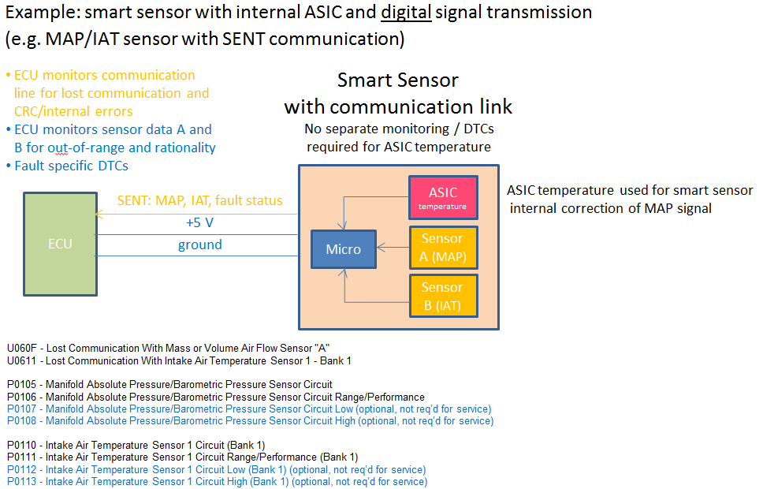

The SAE J2012 committee plans to assign the following standard sets of DTCs for smart output devices:
U06xx - Lost Communication With XXX actuator
P0XXX XXX Actuator Control Circuit/Open
P0XXX XXX Actuator Control Circuit Range/Performance
P0XXX XXX Actuator Control Circuit Low
P0XXX XXX Actuator Control Circuit High
Smart actuator devices communicate via a two-way bus, usually CAN or LIN, with the main microprocessor using serial data. These devices may have one or more sensors (position, temperature, etc…) integrated also. The microprocessor in these devices also diagnoses actuator and sensor faults and communicates that information as well.
Both actuator and sensor faults identified by the device would use the traditional P-codes, e.g. circuit low, circuit high, control circuit high, etc. Service technicians are already familiar wither these codes. Device micro issues would set a Range/Performance code. These P-codes would indicate that the entire device needs to be replaced.
If communication is lost with the device, the Lost Communication code would be set. Most likely, it means that there is a wiring issue even though it could also mean the entire device failed and is no longer communicating with the main micro. The service technician would proceed to troubleshoot the wires, but if no wiring fault could be identified, the next action would be to replace the entire device. Note that if there are three sensors and an actuator, four Lost Communication codes would be set. Although not desirable, this strategy makes it unnecessary to come up with unique device names for every configuration of sensors and actuators that a manufacturer uses.
The device will send actuator functional failure information. It will also send in-range as well as out-of-range sensor values to the main micro. The main micro will use this data to trigger the circuit/out-of-range faults (XXX Sensor Circuit Low and XXX Sensor Circuit High DTCs) and XXX Sensor Circuit Range/Performance and XXX Sensor Circuit Intermittent/Erratic DTCs if applicable. It will also use this information to trigger actuator control circuit faults (XXX Actuator Control Circuit/Open, XXX Actuator Control Circuit Low and XXX Actuator Control Circuit High DTCs) and XXX Actuator Range/Performance. These same values shall be output as J1979 PIDs (if applicable). Failed sensors will report out-of-range (not default) values as required by J1979.
Diagnostic Validation testing will be accomplished by unplugging the smart device and substituting a box that will produce communication messages that simulate sensors with out of range values and actuator faults. This will test the main micro software’s ability to set the correct DTC for a given sensor fault. The smart device supplier is responsible for ensuring operational values on the communication bus matches the functionality specified for the device.

